Dashboard
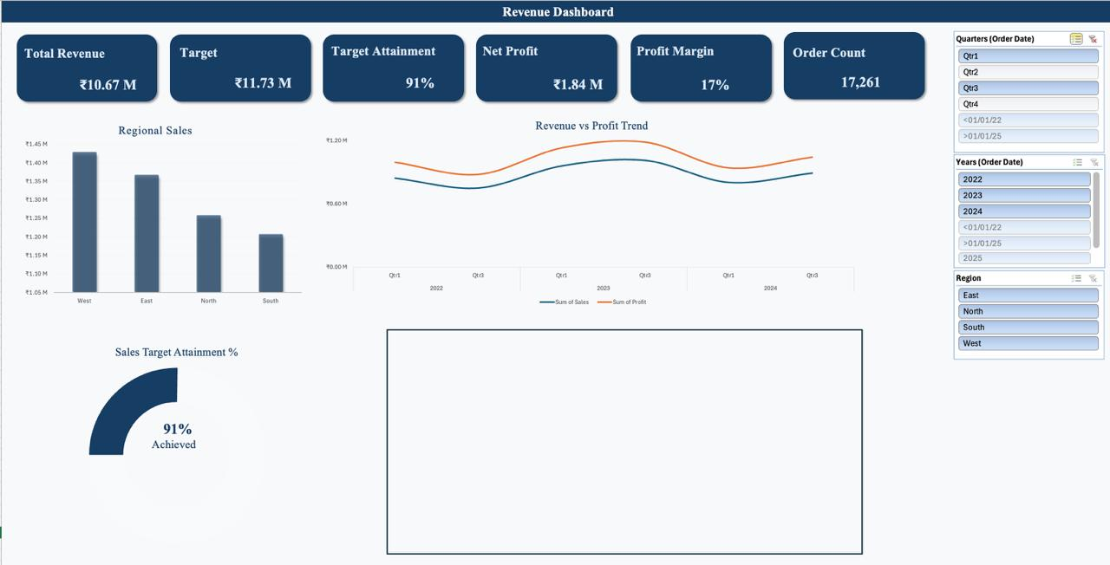
Revenue Dashboard

Total Revenue
Target
Target Attainment
Net Profit
Profit Margin
Order Count

₹10.67M
₹12.55M
85%
₹1.84M
17%
17261

Regional Sales
 | Total
East | ₹2.68M
North | ₹2.49M
South | ₹2.66M
West | ₹2.84M
 | Sum of Sales | Sum of Profit
Qtr1 | ₹0.84M | 149844.04
Qtr2 | ₹0.82M | 146256.35
Qtr3 | ₹0.75M | 128965.08
Qtr4 | ₹0.84M | 147791.51
Qtr1 | ₹0.96M | 170796.88
Qtr2 | ₹0.88M | 151712.15
Qtr3 | ₹1.01M | 171808.51
Qtr4 | ₹0.93M | 172548.88
Qtr1 | ₹0.80M | 137734.72
Qtr2 | ₹1.00M | 164144.14
Qtr3 | ₹0.89M | 151695.45
Qtr4 | ₹0.93M | 151367.5
Revenue vs Profit Trend

Revenue vs Profit Trend: Category wise
 | Sum of Sales | Sum of Profit
Headphones | ₹0.99M | 172478.2
Keyboard | ₹1.02M | 175814.68
Monitor | ₹1.16M | 202028.17
Mouse | ₹1.07M | 185763.69
Camera | ₹1.18M | 207630.99
Laptop | ₹1.01M | 185756.81
Smartphone | ₹1.07M | 183296.97
Smartwatch | ₹1.05M | 178995.81
Tablet | ₹1.02M | 167505.01
Printer | ₹1.09M | 185394.88

Target Acheivement %
Sales Target Achievement | 1.3
Remaining | 0.2
Total | 1.5

